Cleaned
No | Part | Weight (g) | X | Y | Z | CGX | CGY | CGZ
1 | 1st Layer Waffle Plate | 80 | 32 | -17.68 | 88.15 | 2560 | -1414.4 | 7052
2 | Right Motor | 56 | 11.04 | -0.19 | 34.55 | 618.24 | -10.64 | 1934.8
3 | Right Wheel | 27 | 0 | 0 | 9.53 | 0 | 0 | 257.31
4 | Left Motor | 56 | 11.04 | 0.19 | 141.75 | 618.24 | 10.64 | 7938
5 | Left Wheel | 27 | 0.01 | 0.01 | 166.77 | 0.27 | 0.27 | 4502.79
6 | Battery | 137 | 34.16 | -0.5 | 87.65 | 4679.92 | -68.5 | 12008.05
7 | Ball Bearing | 4 | 81 | -26.62 | 88.15 | 324 | -106.48 | 352.6 | Origin: Outermost side on the centre axis of the right wheel
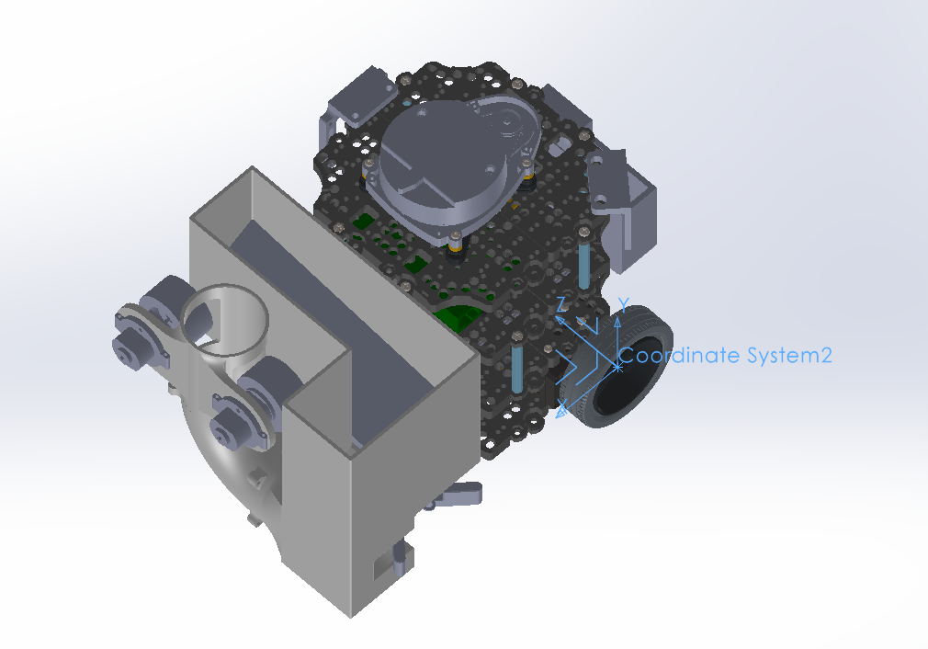
8 | Standoff | 6 | -32 | 1.25 | 64.15 | -192 | 7.5 | 384.9
9 | Standoff | 6 | -32 | -1.25 | 112.15 | -192 | -7.5 | 672.9
10 | Standoff | 6 | 96 | -1.45 | 64.15 | 576 | -8.7 | 384.9
11 | Standoff | 6 | 96 | 1.25 | 112.15 | 576 | 7.5 | 672.9
12 | L Bracket | 2 | 84 | -10.89 | 87.42 | 168 | -21.78 | 174.84
13 | L Bracket | 2 | -16.27 | -10.69 | 79.15 | -32.54 | -21.38 | 158.3
14 | L Bracket | 2 | 38 | -6.18 | 66.59 | 76 | -12.36 | 133.18
15 | L Bracket | 2 | -16.27 | -10.69 | 97.15 | -32.54 | -21.38 | 194.3
16 | L Bracket | 2 | 38 | -6.18 | 109.72 | 76 | -12.36 | 219.44
17 | 2nd Layer Waffle Plate | 80 | 32 | 19.33 | 88.15 | 2560 | 1546.4 | 7052
18 | Standoff | 6 | 56 | 40.55 | 152.15 | 336 | 243.3 | 912.9
19 | Standoff | 6 | 56 | 43.05 | 24.15 | 336 | 258.3 | 144.9
20 | Standoff | 6 | -32 | 43.25 | 100.15 | -192 | 259.5 | 600.9
21 | Standoff | 6 | -32 | 40.75 | 76.15 | -192 | 244.5 | 456.9
22 | PCB Support | 2 | -9.89 | 25.53 | 65.33 | -19.78 | 51.06 | 130.66
23 | PCB Support | 2 | -9.89 | 25.53 | 110.97 | -19.78 | 51.06 | 221.94
24 | PCB Support | 2 | 73.89 | 25.53 | 110.97 | 147.78 | 51.06 | 221.94 | Group 5 | Name | Student ID
25 | PCB Support | 2 | 73.89 | 25.53 | 65.33 | 147.78 | 51.06 | 130.66 |  | Cheng Yi | A0211035B
26 | Open CR | 64 | 25.63 | 35.13 | 89.38 | 1640.32 | 2248.32 | 5720.32 |  | Chia Le, Isaac | A0281812H
27 | 3rd Layer Waffle Plate | 80 | 32 | 66.62 | 88.15 | 2560 | 5329.6 | 7052 |  | Himani Vinod Vasnani | A0301024E
28 | Standoff | 6 | 96 | 87.85 | 64.15 | 576 | 527.1 | 384.9 |  | Oh Keng Yong | A0305654E
29 | Standoff | 6 | 96 | 90.35 | 112.15 | 576 | 542.1 | 672.9 |  | Ng Zing Hng | A0307745Y
30 | Standoff | 6 | 8 | 90.55 | 152.15 | 48 | 543.3 | 912.9
31 | Standoff | 6 | -32 | 88.05 | 112.15 | -192 | 528.3 | 672.9
32 | Standoff | 6 | -32 | 90.55 | 64.15 | -192 | 543.3 | 384.9
33 | Standoff | 6 | 8 | 88.05 | 24.15 | 48 | 528.3 | 144.9
34 | PCB Support | 2 | 71.78 | 72.83 | 116.74 | 143.56 | 145.66 | 233.48
35 | PCB Support | 2 | 42.78 | 72.83 | 118.36 | 85.56 | 145.66 | 236.72
36 | PCB Support | 2 | 71.78 | 72.83 | 58.74 | 143.56 | 145.66 | 117.48
37 | PCB Support | 2 | 42.78 | 72.83 | 60.36 | 85.56 | 145.66 | 120.72
38 | RPi | 47 | 53.96 | 84.88 | 71.63 | 2536.12 | 3989.36 | 3366.61
39 | 4th Layer Waffle Plate | 80 | 32 | 114.12 | 88.15 | 2560 | 9129.6 | 7052
40 | PCB Support | 2 | 57.26 | 120.53 | 112.74 | 114.52 | 241.06 | 225.48
41 | PCB Support | 2 | 18.49 | 120.33 | 104.61 | 36.98 | 240.66 | 209.22
42 | PCB Support | 2 | 57.25 | 120.53 | 63.57 | 114.5 | 241.06 | 127.14
43 | PCB Support | 2 | 18.49 | 120.33 | 71.7 | 36.98 | 240.66 | 143.4
44 | Lidar | 128 | 32 | 130 | 88.15 | 4096 | 16640 | 11283.2
45 | Launcher | 298.66 | 151.43 | 45.34 | 70.36 | 45226.0838 | 13541.2444 | 21013.7176
46 | Counterweight | 260 | -48.4 | 33.78 | 79.8 | -12584 | 8782.8 | 20748
 |  | 1542.66 | 0 | 0 | 0 | 39.274586623 | 42.456584341 | 82.803014015
 |  |  | 0 | 0 | 0 | Forward | Vertical | Horizontal
 |  |  | 0 | 0 | 0 | X | Y | Z
 |  |  | 0 | 0 | 0
 |  |  | 0 | 0 | 0
 |  |  | 0 | 0 | 0
 |  |  | 0 | 0 | 0
 |  |  | 0 | 0 | 0
 |  |  | 0 | 0 | 0
 |  |  | 0 | 0 | 0
 |  |  | 0 | 0 | 0
 |  |  | 0 | 0 | 0
 |  |  | 0 | 0 | 0
 |  |  | 0 | 0 | 0
 |  |  | 0 | 0 | 0

